Ellesse New
 |  |  |  |  |  |  |  |  |  |  |  |  | XXS-6XL | XXS | XS | SML | MED | LGE | XL | 2XL | 3XL | 4XL | 5XL | 6XL
 |  |  |  |  |  |  |  |  |  |  |  |  | 4-30 USE | 4 | 6 | 8 | 10 | 12 | 14 | 16 | 18 | 20 | 22 | 24 | 26 | 28 | 30
 |  |  |  |  |  |  |  |  |  |  |  |  | 2/3- 15/16 | 2/3 | 3/4 | 4/5 | 5/6 | 6/7 | 7/8 | 8/9 | 9/10 | 10/11 | 11/12 | 12/13 | 13/14 | 14/15 | 15/16
 |  |  |  |  |  |  |  |  |  |  |  |  | ONESIZE | ONE SIZE | JUNIOR | ADULT
 |  |  |  |  |  |  |  |  |  |  |  |  | SOCKS | 3-5.5 | 6-8.5 | 9-11.5 | 12-14 | 9-12 | 12.5-2.5 | 14.5-16 | 12-16 | 4-8 | 7-11 | XXS | XS | S | M | L | XXL
 |  |  |  |  |  |  |  |  |  |  |  |  | 0/6-13/14 | 0/3 | 0/6 | 3/6 | 6/9 | 6/12 | 9/12 | 12/18 | 18/24 | 2/3 | 3/4 | 4/5 | 5/6 | 6/7 | 7/8 | 8/9 | 10/11 | 12/13 | 13/14
 |  |  |  |  |  |  |  |  |  |  |  |  | 36 - 47 EL | 39/6 | 40/6.5 | 41/7 | 42/8 | 43/9 | 44/9.5 | 45/10 | 46/11 | 47/12 | 48/13
 |  |  |  |  |  |  |  |  |  |  |  |  | 36 - 42 EL | 36/3 | 37/4 | 38/5 | 39/6 | 40/6.5 | 41/7 | 42/8 | 43/9
 |  |  |  |  |  |  |  |  |  |  |  |  | 30/32-62/64 | 30/32 | 33/35 | 36/38 | 39/41 | 42/44 | 46/48 | 50/52 | 54/56 | 58/60 | 62/64
 |  |  |  |  |  |  |  |  |  |  |  |  | JDW | XXS | XS | S | M | L | XL | 1XL | 2XL | 3XL | 4XL | 5XL | 6XL
Image | Parcel | Product | Product Name | Product Type | Colour | Department | COO | HTS | Composition | Weight | WHS | RRP | 26-56 | 26 | 28 | 30 | 32 | 34 | 36 | 38 | 40 | 42 | 44 | 46 | 48 | 50 | 52 | 54 |  |  |  | TOTAL
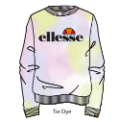 | 4 | S4M14495 | Siobhen Tie Dye JNR Sweatshirt | Hoody Oh | Tie Dye | Girls | India | 6110209900 | 100% Cotton |  | £14.00 | £35.00 | 2/3- 15/16 |  |  |  |  |  |  | 53 |  | 417 |  | 179 | 104 |  |  |  |  |  |  | 753
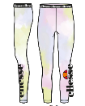 | 4 | S4M14497 | Fabi Tie Dye Legging | Legging | Tie Dye | Girls | India | 6104620000 | 95% Cotton / 5% Elastane |  | £8.00 | £20.00 | 2/3- 15/16 |  |  |  |  |  |  | 109 |  | 274 |  | 107 | 85 |  |  |  |  |  |  | 575
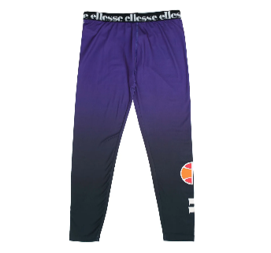 | 4 | S4L13443 | Fida JNR Legging | Legging | Purple | Girls | China | 6104620000 | 95% Cotton / 5% Elastane |  | £8.00 | £20.00 | 2/3- 15/16 |  |  |  |  |  |  | 68 |  | 142 |  | 205 | 165 |  |  |  |  |  |  | 580
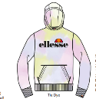 | 4 | S4M14492 | Isobel Tie Dye OH Hoody | Hoody Oh | Tie Dye | Girls | India | 6110209900 | 100% Cotton |  | £18.00 | £45.00 | 2/3- 15/16 |  |  |  |  |  |  | 34 |  | 221 |  | 90 | 122 |  |  |  |  |  |  | 467
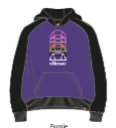 | 4 | S4L13440 | Sorrenti JNR OH Hoody | Hoody Oh | Purple | Girls | China | 6110209900 | 80% Cotton / 20% Polyester |  | £18.00 | £45.00 | 2/3- 15/16 |  |  |  |  |  |  | 9 |  | 51 |  | 104 | 74 |  |  |  |  |  |  | 238
 | 4 | S4L13445 | Forrio JNR Crop Track Top | Track/Zip Jacket | Purple | Girls | China | 6102309000 | 95% Polyester / 5% Elastane |  | £18.00 | £45.00 | 2/3- 15/16 |  |  |  |  |  |  | 4 |  | 49 |  | 83 | 74 |  |  |  |  |  |  | 210
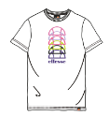 | 4 | S4L13439 | Mostardo JNR Tee | Tee Shirt | White | Girls | China | 6109100010 | 100% Cotton |  | £8.00 | £20.00 | 2/3- 15/16 |  |  |  |  |  |  |  |  | 63 |  | 91 | 74 |  |  |  |  |  |  | 228
 | 4 | S4M14505 | Innocen Skirt | Skirt | White | Girls | China | 6104530000 | 92% Polyester / 8% Elastane |  | £10.00 | £25.00 | 2/3- 15/16 |  |  |  |  |  |  | 56 |  | 48 |  | 49 | 50 |  |  |  |  |  |  | 203
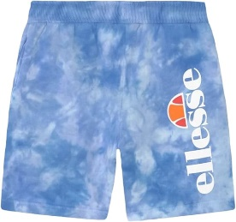 | 4 | S3M14456 | TOYLE Tie Dye JNR Fleece Short | Short | Tie Dye | Boys | India | 6110209100 | 100% Cotton |  | £10.00 | £25.00 | 0/6-13/14 |  |  |  |  |  |  |  |  |  |  |  |  |  |  | 52 | 67 | 33 | 38 | 190
 | 4 | S4Q17101 | Piegaro Jnr Legging | Legging | Dark Grey | Girls | India | 6104620000 | 95% Cotton / 5% Elastane |  | £10.00 | £25.00 | 2/3- 15/16 | 0 | 0 | 0 | 0 | 0 | 0 | 39 | 0 | 40 | 0 | 60 | 60 | 0 | 0 | 0 | 0 | 0 | 0 | 199
 | 4 | S4R17695 | Loudra Jnr Legging | Legging | Multi | Girls | India | 6105100000 | 80% Cotton / 20% Polyester |  | £10.00 | £25.00 | 2/3- 15/16 |  |  |  |  |  |  | 1 |  | 62 |  | 47 | 34 |  |  |  |  |  |  | 144
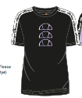 | 4 | S4M14433 | Esparza Tee | Tee Shirt | Black | Girls | China | 6109902000 | 93% Polyester / 7% Elastane |  | £8.00 | £20.00 | 2/3- 15/16 |  |  |  |  |  |  | 18 |  | 37 |  | 30 | 27 |  |  |  |  |  |  | 112
 | 4 | S4Q17102 | Carraia Jnr Crop T-Shirt | Tee Shirt Cropped | All Over Print | Girls | India | 6109902000 | 100% Polyester |  | £7.20 | £18.00 | 2/3- 15/16 | 0 | 0 | 0 | 0 | 0 | 0 | 21 | 0 | 19 | 0 | 34 | 35 | 0 | 0 | 0 | 0 | 0 | 0 | 109
 | 4 | S4N15304 | Auto Jnr Jog Pant | Pant Jog/Fleece | Navy | Girls | China | 6104620000 | 85% Cotton / 15% Polyester |  | £14.00 | £35.00 | 2/3- 15/16 |  |  |  |  |  |  | 14 |  | 24 |  | 25 | 18 |  |  |  |  |  |  | 81
 | 4 | S4N15304 | Auto Jnr Jog Pant | Pant Jog/Fleece | Light Pink | Girls | China | 6104620000 | 85% Cotton / 15% Polyester |  | £14.00 | £35.00 | 2/3- 15/16 |  |  |  |  |  |  | 16 |  | 25 |  | 26 | 14 |  |  |  |  |  |  | 81
 | 4 | S2ML17147 | Lincy Inf Legging | Legging | Black | Girls | India | 6104620000 | 95% Cotton / 5% Elastane |  | £7.20 | £18.00 | 2/3- 15/16 | 40 | 33 |  |  |  |  |  |  |  |  |  |  |  |  |  |  |  |  | 73
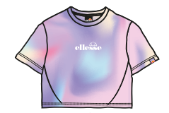 | 4 | S4R17692 | Cindra Jnr Crop T-Shirt | Tee Shirt Cropped | Multi | Girls | India | 6109902000 | 100% Polyester |  | £8.80 | £22.00 | 2/3- 15/16 |  |  |  |  |  |  | 1 |  | 11 |  | 29 | 19 |  |  |  |  |  |  | 60
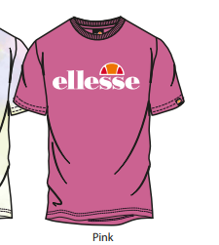 | 4 | S2M08595 | Jena Tee | Tee Shirt | Pink | Girls | India | 6109100010 | 100% Cotton |  | £6.00 | £15.00 | 0/6-13/14 |  |  |  |  |  |  |  |  |  | 28 |  | 16 | 23 |  |  |  |  |  | 67
 | 4 | S4M14436 | Nichols Vest | Vest Top | Black | Girls | China | 6109902000 | 93% Polyester / 7% Elastane |  | £7.20 | £18.00 | 2/3- 15/16 |  |  |  |  |  |  | 8 |  | 17 |  | 25 | 12 |  |  |  |  |  |  | 62
 | 4 | S4M14433 | Esparza Tee | Tee Shirt | Purple Fade | Girls | China | 6109902000 | 93% Polyester / 7% Elastane |  | £8.00 | £20.00 | 2/3- 15/16 |  |  |  |  |  |  | 11 |  | 14 |  | 18 | 11 |  |  |  |  |  |  | 54
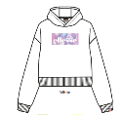 | 4 | S2R17689 | Hillia Inf Crop Hoody | Hoody Cropped | White | Girls | India | 6110209900 | 85% Cotton / 15% Polyester |  | £14.00 | £35.00 | 2/3- 15/16 |  | 4 |  | 6 | 4 |  | 3 |  | 12 |  | 8 | 6 |  |  |  |  |  |  | 43
 | 4 | S4K08598 | Martha JNR Jog Pant | Pant Jog/Fleece | Blue | Girls | India | 6104620000 | 80% Cotton / 20% Polyester |  | £12.00 | £30.00 | 2/3- 15/16 |  |  |  |  |  |  | 11 |  | 7 |  | 10 | 11 |  |  |  |  |  |  | 39
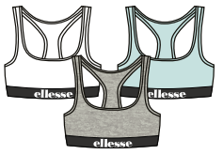 | 4 | S4ZA2441 | Emilio Bra Top | Bra Top | Multi | Girls | China | 6114200000 | 100% Cotton |  | £7.20 | £18.00 | 0/6-13/14 |  |  |  |  |  |  |  |  |  |  | 34 |  |  |  |  |  |  |  | 34
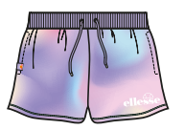 | 4 | S4R17693 | Shandra Jnr Short | Short | Multi | Girls | India | 6104630000 | 95% Polyester / 5% Elastane |  | £11.20 | £28.00 | 2/3- 15/16 |  |  |  |  |  |  | 9 |  | 1 |  | 18 | 5 |  |  |  |  |  |  | 33
 | 4 | S4N15299 | Fragole Jnr Legging | Legging | Light Blue | Girls | China | 6104620000 | 95% Cotton / 5% Elastane |  | £8.00 | £20.00 | 2/3- 15/16 |  |  |  |  |  |  | 7 |  | 9 |  | 9 | 7 |  |  |  |  |  |  | 32
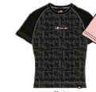 | 4 | S4Q17092 | Bufaloro Jnr T-Shirt | Tee Shirt | Black | Girls | China | 6109100010 | 95% Cotton / 5% Elastane |  | £8.00 | £20.00 | 2/3- 15/16 | 0 | 0 | 0 | 0 | 0 | 0 | 3 | 0 | 7 | 0 | 9 | 10 | 0 | 0 | 0 | 0 | 0 | 0 | 29
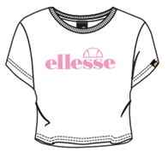 | 4 | SJD12947 | Lilos Crop T-Shirt | Tee Shirt Cropped | White | Girls | India | 6109100010 | 88% Polyester / 12% Elastane |  | £6.00 | £15.00 | 2/3- 15/16 |  |  |  |  |  |  |  |  |  |  | 27 |  |  |  |  |  |  |  | 27
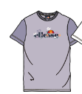 | 4 | S4P16106 | Parlare Jnr Tee | Tee Shirt | Lilac | Girls | China | 6109100010 | 100% Cotton |  | £7.20 | £18.00 | 2/3- 15/16 |  |  |  |  |  |  | 7 |  |  |  | 8 | 10 |  |  |  |  |  |  | 25
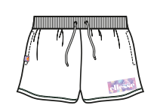 | 4 | S4R17691 | Shoanna Jnr Short | Short | White | Girls | India | 6104620000 | 100% Polyester |  | £10.00 | £25.00 | 2/3- 15/16 |  |  |  |  |  |  | 4 |  | 8 |  | 6 | 5 |  |  |  |  |  |  | 23
 | 4 | S4M14505 | Innocen Skirt | Skirt | Navy | Girls | China | 6104530000 | 92% Polyester / 8% Elastane |  | £10.00 | £25.00 | 2/3- 15/16 |  |  |  |  |  |  | 10 |  | 2 |  | 3 | 7 |  |  |  |  |  |  | 22
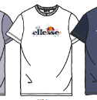 | 4 | S4P16106 | Parlare Jnr Tee | Tee Shirt | White | Girls | China | 6109100010 | 100% Cotton |  | £7.20 | £18.00 | 2/3- 15/16 |  |  |  |  |  |  | 7 |  | 2 |  | 11 | 1 |  |  |  |  |  |  | 21
 | 4 | S4M14439 | Tanner Legging | Legging | Purple Fade | Girls | China | 6104630000 | 88% Polyester / 12% Elastane |  | £8.80 | £22.00 | 2/3- 15/16 |  |  |  |  |  |  | 4 |  | 7 |  | 9 | 1 |  |  |  |  |  |  | 21
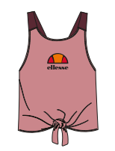 | 4 | S4R17969 | Fintori Jnr Crop T-Shirt | Tee Shirt Cropped | Multi | Girls | China | 6114300000 | 80% Cotton / 20% Polyester |  | £10.00 | £25.00 | 2/3- 15/16 |  |  |  |  |  |  | 4 |  | 5 |  | 5 | 7 |  |  |  |  |  |  | 21
 | 4 | S4Q17093 | Pieve Jnr Legging | Legging | Dark Purple | Girls | China | 6104620000 | 95% Cotton / 5% Elastane |  | £8.00 | £20.00 | 2/3- 15/16 | 0 | 0 | 0 | 0 | 0 | 0 | 16 | 0 | 0 | 0 | 2 | 0 | 0 | 0 | 0 | 0 | 0 | 0 | 18
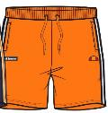 | 4 | S3M14391 | Digby JNR Short | Short | Orange | Boys | China | 6103420000 | 80% Cotton / 20% Polyester |  | £8.80 | £22.00 | 2/3- 15/16 |  |  |  |  |  |  | 3 |  | 5 |  | 4 | 5 |  |  |  |  |  |  | 17
 | 4 | S4ZA08598 | Martha JNR Jog Pant | Pant Jog/Fleece | LILAC | Girls | India | 6104620000 | 80% Cotton / 20% Polyester |  | £12.00 | £30.00 | 2/3- 15/16 |  |  |  |  |  |  | 9 |  | 1 |  | 6 |  |  |  |  |  |  |  | 16
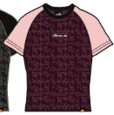 | 4 | S4Q17092 | Bufaloro Jnr T-Shirt | Tee Shirt | Dark Purple | Girls | China | 6109100010 | 95% Cotton / 5% Elastane |  | £8.00 | £20.00 | 2/3- 15/16 | 0 | 0 | 0 | 0 | 0 | 0 | 3 | 0 | 4 | 0 | 5 | 4 | 0 | 0 | 0 | 0 | 0 | 0 | 16
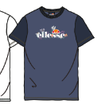 | 4 | S4P16106 | Parlare Jnr Tee | Tee Shirt | Blue | Girls | China | 6109100010 | 100% Cotton |  | £7.20 | £18.00 | 2/3- 15/16 |  |  |  |  |  |  | 4 |  | 1 |  | 6 | 5 |  |  |  |  |  |  | 16
 | 4 | S4Q17098 | Comparati Jnr Track Pant | Pant Track | Dark Purple | Girls | China | 6104630000 | 95% Polyester / 5% Elastane |  | £15.20 | £38.00 | 2/3- 15/16 | 0 | 0 | 0 | 0 | 0 | 0 | 3 | 0 | 3 | 0 | 6 | 4 | 0 | 0 | 0 | 0 | 0 | 0 | 16
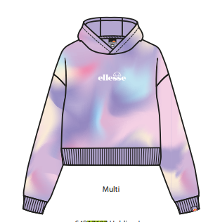 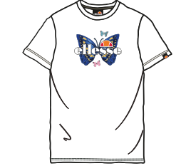 | 4 | S4R17968 | Roella Jnr T-Shirt | Tee Shirt | White | Girls | China | 6109100010 | 100% Polyester |  | £8.00 | £20.00 | 2/3- 15/16 |  |  |  |  |  |  | 2 |  | 3 |  | 7 | 4 |  |  |  |  |  |  | 16
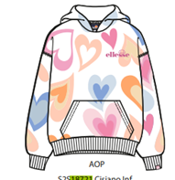 | 4 | S4S18721 | Cisiano Jnr Oh Hoody | Hoody Oh | All Over Print | Girls | India | 6110209900 | 80% Cotton / 20% Polyester |  | £18.00 | £45.00 | 2/3- 15/16 |  |  |  |  |  |  |  |  | 1 |  | 6 | 8 |  |  |  |  |  |  | 15
 | 4 | SZA16878 | Noree Vest | Vest Top | Black | Girls | China | 6109902000 | 64% Cotton / 36% Polyester |  | £8.00 | £20.00 | 0/6-13/14 | 0 | 0 | 0 | 0 | 0 |  | 3 |  | 2 | 5 | 5 |  | 0 | 0 | 0 | 0 | 0 | 0 | 15
 | 4 | SZA13872 | Breea Legging | Legging | Black/White/Light Pink | Girls | China | 6104630000 | 88% Polyester / 12% Elastane |  | £8.80 | £22.00 | 2/3- 15/16 |  |  |  |  |  |  | 2 |  | 3 |  | 5 | 4 |  |  |  |  |  |  | 14
 | 4 | SZA13872 | Breea Legging | Legging | Black/Light Green | Girls | China | 6104630000 | 88% Polyester / 12% Elastane |  | £8.80 | £22.00 | 2/3- 15/16 |  |  |  |  |  |  | 3 |  | 3 |  | 5 | 3 |  |  |  |  |  |  | 14
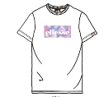 | 4 | S2R17684 | Telina Inf T-Shirt | Tee Shirt | White | Girls | India | 6109100010 | 100% Cotton |  | £6.40 | £16.00 | 2/3- 15/16 |  | 4 |  | 4 | 5 |  |  |  |  |  |  |  |  |  |  |  |  |  | 13
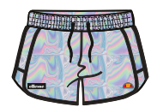 | 4 | S4ZA14989 | Jossie Short Jnr | Short | Multi | Girls | China | 6204631890 | 100% Polyester |  | £8.00 | £20.00 | 2/3- 15/16 |  |  |  |  |  |  | 2 |  | 7 |  |  | 4 |  |  |  |  |  |  | 13
 | 4 | S4ZA14990 | Leva Legging Short Jnr | Short | Multi | Girls | China | 6104630000 | 95% Cotton / 5% Elastane |  | £7.20 | £18.00 | 2/3- 15/16 |  |  |  |  |  |  | 7 |  |  |  | 2 | 4 |  |  |  |  |  |  | 13
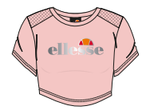 | 4 | SZA15691 | Serela Cropped T-Shirt | Tee Shirt | Light Pink | Girls | China | 6109902000 | 100% Polyester |  | £8.00 | £20.00 | 2/3- 15/16 | 0 | 1 | 4 | 6 | 2 |  | 0 | 0 | 0 | 0 | 0 | 0 | 0 | 0 | 0 | 0 | 0 | 0 | 13
 | 4 | S4Q17093 | Pieve Jnr Legging | Legging | Black | Girls | China | 6104620000 | 95% Cotton / 5% Elastane |  | £8.00 | £20.00 | 2/3- 15/16 | 0 | 0 | 0 | 0 | 0 | 0 | 1 | 0 | 1 | 0 | 11 | 0 | 0 | 0 | 0 | 0 | 0 | 0 | 13
 | 4 | S4K08598 | Martha JNR Jog Pant | Pant Jog/Fleece | Pink | Girls | India | 6104620000 | 80% Cotton / 20% Polyester |  | £12.00 | £30.00 | 2/3- 15/16 |  |  |  |  |  |  | 1 |  |  |  | 8 | 2 |  |  |  |  |  |  | 11
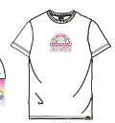 | 4 | S4M14476 | Pica Tee | Tee Shirt | White | Girls | China | 6109100010 | 100% Cotton |  | £8.00 | £20.00 | 2/3- 15/16 |  |  |  |  |  |  | 1 |  | 9 |  |  | 1 |  |  |  |  |  |  | 11
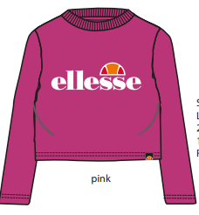 | 4 | SZA43751 | Areno Ls Cropped T-Shirt (Jnr) | Tee Shirt L/S | Pink | Girls | India | 6109100010 | 100% Polyester |  | £7.20 | £18.00 | 2/3- 15/16 | 0 |  |  |  |  |  | 3 |  | 1 | 6 |  | 1 |  | 0 | 0 | 0 | 0 | 0 | 11
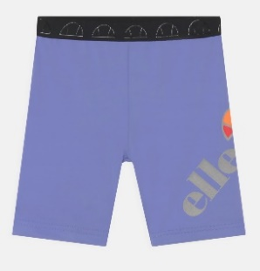 | 4 | SZA16876 | Mikelo Short | Short | Purple | Girls | China | 6109902000 | 88% Polyester / 12% Elastane |  | £11.20 | £28.00 | 2/3- 15/16 | 0 |  |  |  |  |  | 5 |  | 3 | 0 | 3 | 0 | 0 | 0 | 0 | 0 | 0 | 0 | 11
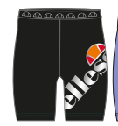 | 4 | SZA16876 | Mikelo Short | Short | Black | Girls | China | 6109902000 | 88% Polyester / 12% Elastane |  | £11.20 | £28.00 | 2/3- 15/16 | 0 | 0 | 0 | 0 | 0 | 0 | 4 | 0 | 1 | 0 | 1 | 5 | 0 | 0 | 0 | 0 | 0 | 0 | 11
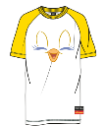 | 4 | S4ML15226 | Tweet Jnr Dress | Dress | White | Girls | India | 6104420000 | 100% Cotton |  | £10.00 | £25.00 | 2/3- 15/16 |  |  |  |  |  |  | 1 |  | 1 |  | 8 |  |  |  |  |  |  |  | 10
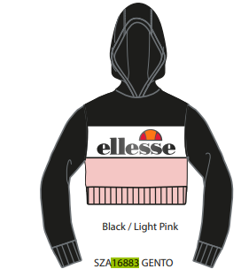 | 4 | SZA16883 | Gento Oh Cropped Hoody | Hoody Cropped | Black/Light Pink | Girls | China | 6110209900 | 100% Polyester |  | £16.00 | £40.00 | 2/3- 15/16 |  |  |  |  |  |  | 2 |  |  |  | 4 | 4 |  |  |  |  |  |  | 10
 | 4 | S4P16109 | Portare Jnr Dress | Dress | Blue | Girls | China | 6104420000 | 80% Cotton / 20% Polyester |  | £16.00 | £40.00 | 2/3- 15/16 |  |  |  |  |  |  | 5 |  | 4 |  |  |  |  |  |  |  |  |  | 9
 | 4 | S4P16231 | Prege Jnr Crop T-Shirt | Tee Shirt Cropped | White | Girls | China | 6109100010 | 100% Cotton |  | £6.40 | £16.00 | 2/3- 15/16 |  |  |  |  |  |  | 2 |  |  |  | 4 | 3 |  |  |  |  |  |  | 9
 | 4 | S4P16109 | Portare Jnr Dress | Dress | Lilac | Girls | China | 6104420000 | 80% Cotton / 20% Polyester |  | £16.00 | £40.00 | 2/3- 15/16 |  |  |  |  |  |  | 4 |  | 4 |  |  |  |  |  |  |  |  |  | 8
 |  | S4ZA08598 | Martha JNR Jog Pant | Pant Jog/Fleece | LT BLUE | Girls | India | 6104620000 | 80% Cotton / 20% Polyester |  | £12.00 | £30.00 | 2/3- 15/16 |  |  |  |  |  |  |  |  |  |  | 3 | 4 |  |  |  |  |  |  | 7
 | 4 | S4P16110 | Pollaro Jnr Crop T-Shirt | Tee Shirt Cropped | Navy | Girls | China | 6109100010 | 100% Cotton |  | £6.40 | £16.00 | 2/3- 15/16 |  |  |  |  |  |  |  |  |  |  | 5 | 2 |  |  |  |  |  |  | 7
 | 4 | S4L13443 | Fida JNR Legging | Legging | Black | Girls | China | 6104620000 | 95% Cotton / 5% Elastane |  | £8.00 | £20.00 | 2/3- 15/16 |  |  |  |  |  |  | 1 |  | 1 |  | 1 | 2 |  |  |  |  |  |  | 5
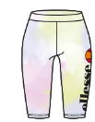 | 4 | S2M14494 | SUZINA Short | Short | Tie Dye | Girls | India | 6104620000 | 95% Cotton / 5% Elastane |  | £6.00 | £15.00 | 0/6-13/14 |  |  |  |  |  |  |  |  |  |  |  | 2 |  |  |  |  |  |  | 2
 |  |  |  |  |  |  |  |  |  |  |  |  |  |  |  |  |  |  |  |  |  |  |  |  |  |  |  |  |  |  |  | 5,216

